Plan
3)

 | Basic Shell scheme wall, logo sign with light |  |  |  |  |  |  |  |  |  |  |  |  |  | Display wall(Hooks & Light)
 |  |  |  |  |  |  |  |  |  |  |  |  |  |  |  |  |  |  |  | Exhibit Hall — C1767(10ftx20ft) Only wall construction is required. < Check list > 1) a 2 sided wall - Basic Shell scheme 2) Logo Sign 3) lights for logo Sign 2) Hooks for frames & hangers 3) lights for frames & hangers 4) 1 shelf
 | x |  | 1 shelf
 |  |  |  |  |  | chair |  |  |  |  | chair

 |  |  |  |  | Table for meeting |  |  |  |  | Table for meeting
 |  |  | chair |  |  |  | chair |  | chair |  |  |  |  | chair
 |  |  |  |  |  |  |  |  |  |  |  |  |  |  |  |  |  |  | Clothes rack

 |  |  |  |  |  |  |  |  |  |  |  |  |  |  |  | chair |  |  | chair

 |  |  |  |  |  |  |  |  |  |  |  |  | Display & information desk(Normal)

 |  |  |  |  |  |  |  | Clothes rack
 |  |  |  |  |  |  |  |  |  |  |  | Trash Can

 |  | Basic Shell scheme wall, logo sign with light |  |  |  |  |  |  |  |  |  |  |  |  |  |  | Display wall(Hooks & Light)



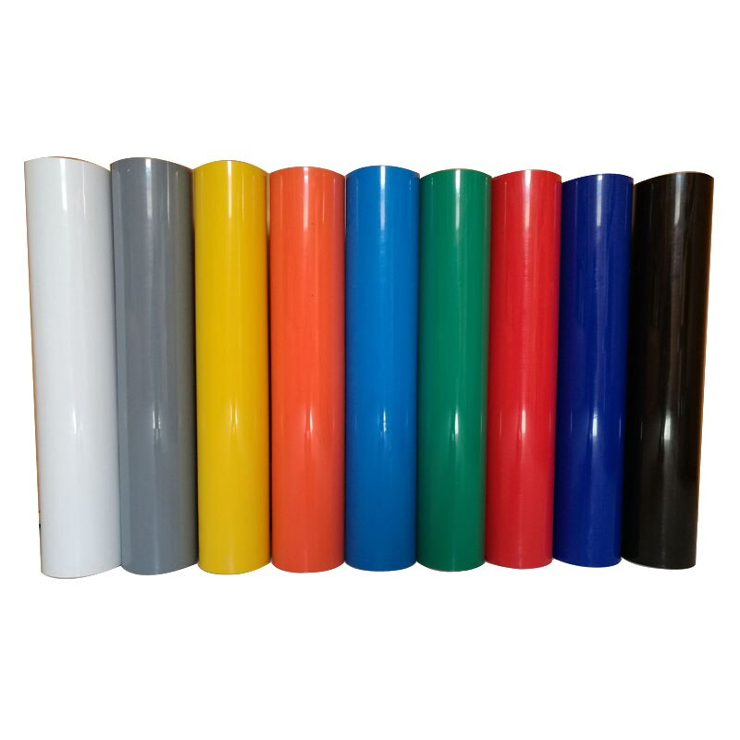

 |  |  |  |  |  |  |  |  |  |  |  |  |  |  |  |  |  | 2 line for picture frame 1 line for clothes

 |  |  |  | 1 shelf

