Sheet1
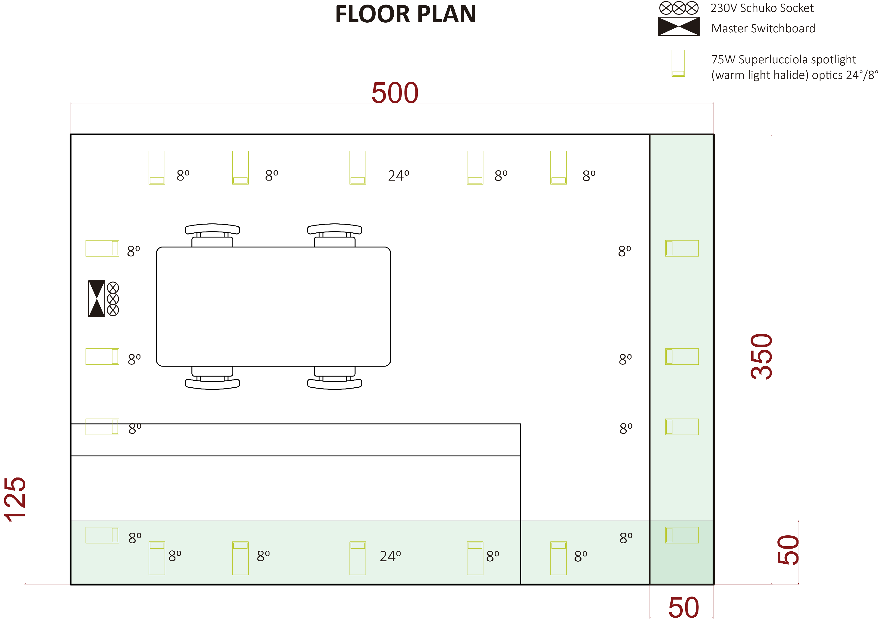
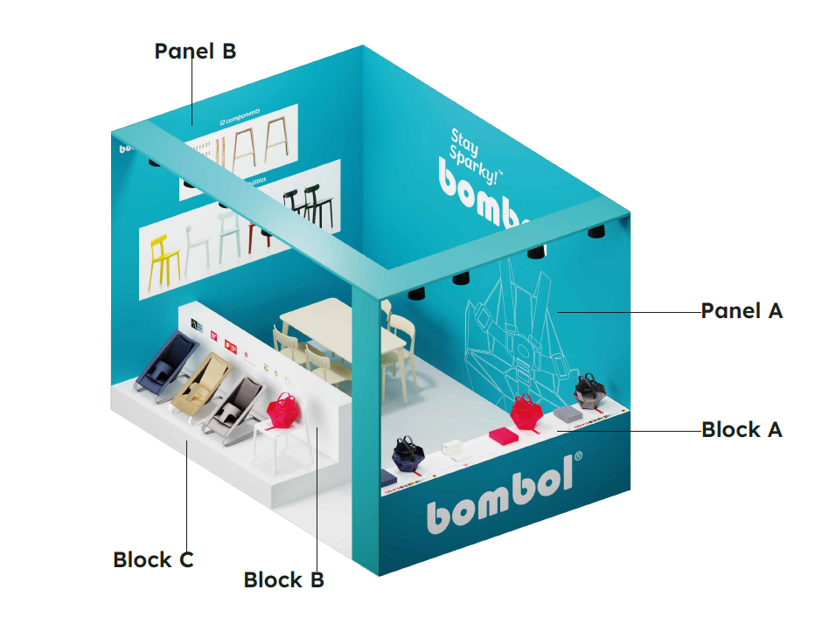
Furniture
Beam A
Beam B
Quantity | Description | Notation
17.5m2 | Grey carpet, 2.5 mm thick, 500cm x 350cm | Carpet
1 | Printed Graphics, 500cm x 350cm | Panel A
1 | Printed Graphics, 350cm x 350cm | Panel B
1 | Wood Block 34cmx50cmxh100cm painted in white with printed vinyl graphics laminate and retractable door and locks | Block A
1 | Wood Block 25cmx300cmxh100cm painted in white with printed vinyl graphics laminate | Block B
1 | Wood Block 100cmx300cmxh30cm painted in white with printed vinyl graphics laminate (loadable with 30kgs on top at least) | Block C
1 | Wood Beam 450cm L x 50cm W x 10cm Thickness in White with blue vinyl laminate | Beam A
Beam C
1 | Wood Beam 350cm L x 50cm W x 10cm Thickness in White with blue vinyl laminate | Beam B
Carpet
1 | Wood Beam 340cm L x 50cm W x 10cm Thickness in White with blue vinyl laminate | Beam C
1 | Matching Furniture (Table with 4 chairs) | Furniture
18 | 75W Superlucciola spotlight (warm light halide) optics 24°/8°
1 | Triple 230V schuko electrical socket

